Sheet1
 |  |  |  |  | To:
House # | Elevation (ft) | Distance from tank (ft) |  |  | Tank | 6 | 59 | 25 | 29 | 33 | 34 | BPT | 36 | 72 | 43 | 69 | 44 | 52 | 55 | 58
Tank | 1219 | 0 | From: | Tank | 0 | 940 | 4108 | 3901 | 4750 | 5345 | 5982 | 6719 | 7378 | 8188 | 9284 | 10110 | 10967 | 11337 | 13502 | 15649
61 | 1046 | 924 |  | 6 | 0 | 0 | 2166 | 1959 | 2808 | 3403 | 4040 | 4777 | 5436 | 6246 | 7342 | 8168 | 9025 | 9395 | 11560 | 13707
5 | 954 | 1765 |  | 59 | 0 | 0 | 0 | 0 | 0 | 0 | 0 | 0 | 0 | 0 | 0 | 0 | 0 | 0 | 0 | 0
6 | 971 | 1942 |  | 25 | 0 | 0 | 0 | 0 | 849 | 1444 | 2081 | 2818 | 3477 | 4287 | 5383 | 6209 | 7066 | 7436 | 9601 | 11748
16 | 864 | 2713 |  | 29 | 0 | 0 | 0 | 0 | 0 | 595 | 1232 | 1969 | 2628 | 3438 | 4534 | 5360 | 6217 | 6587 | 8752 | 10899
15 | 893 | 3097 |  | 33 | 0 | 0 | 0 | 0 | 0 | 0 | 637 | 1374 | 2033 | 2843 | 3939 | 4765 | 5622 | 5992 | 8157 | 10304
18 | 857 | 3828 |  | 34 | 0 | 0 | 0 | 0 | 0 | 637 | 0 | 737 | 1396 | 2206 | 3302 | 4128 | 4985 | 5355 | 7520 | 9667
59 | 885 | 4108 |  | BPT | 0 | 0 | 0 | 0 | 0 | 0 | 0 | 0 | 659 | 1469 | 2565 | 3391 | 4248 | 4618 | 6783 | 8930
22 | 779 | 3689 |  | 36 | 0 | 0 | 0 | 0 | 0 | 0 | 0 | 0 | 0 | 810 | 1906 | 2732 | 2000 | 3959 | 6124 | 8271
25 | 813 | 3901 |  | 72 | 0 | 0 | 0 | 0 | 0 | 0 | 0 | 0 | 0 | 0 | 1096 | 1922 | 2779 | 3149 | 5314 | 7461
29 | 761 | 4750 |  | 43 | 0 | 0 | 0 | 0 | 0 | 0 | 0 | 0 | 0 | 0 | 0 | 826 | 1683 | 2053 | 4218 | 6365
33 | 815 | 5345 |  | 69 | 0 | 0 | 0 | 0 | 0 | 0 | 0 | 0 | 0 | 0 | 0 | 0 | 857 | 1227 | 3392 | 5539
34 | 850 | 5982 |  | 44 | 0 | 0 | 0 | 0 | 0 | 0 | 0 | 0 | 0 | 0 | 0 | 857 | 0 | 370 | 2535 | 4682
BPT | 947 | 6719 |  | 52 | 0 | 0 | 0 | 0 | 0 | 0 | 0 | 0 | 0 | 0 | 0 | 0 | 0 | 0 | 2165 | 4312
36 | 907 | 7378 |  | 55 | 0 | 0 | 0 | 0 | 0 | 0 | 0 | 0 | 0 | 0 | 0 | 0 | 0 | 2165 | 0 | 2147
38 | 867 | 7718 |  | 58 | 0 | 0 | 0 | 0 | 0 | 0 | 0 | 0 | 0 | 0 | 0 | 0 | 0 | 312 | 0 | 0
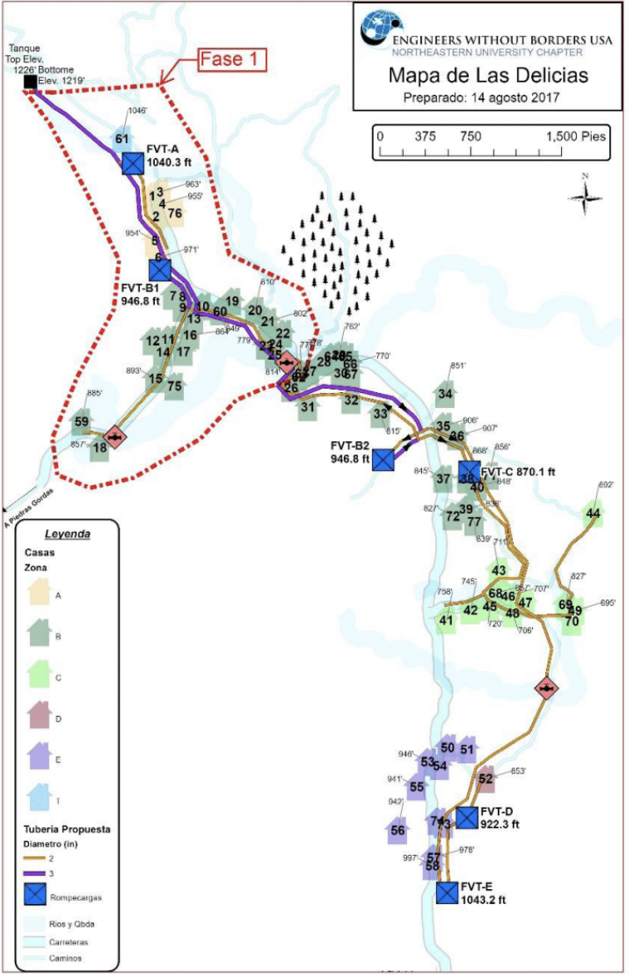
72 | 827 | 8188
43 | 711 | 9284
46 | 706 | 9493
42 | 744 | 9823
49 | 892 | 10048
69 | 827 | 10110
44 | 695 | 10967
52 | 852 | 11337
55 | 940 | 13502
58 | 989 | 15649

